Mind Maps
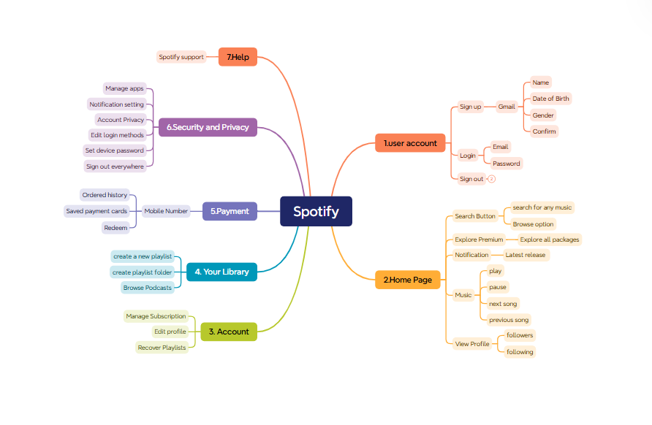

Test Summary Report
Test Case Report |  |  |  |  |  |  | Result :
Project Name | Spotify
Module Name | Account. |  |  |  |  | Total No. | Status
Feature Name
Test Case Version | 1 |  |  |  |  | 69 | PASS
Written By | Farhana Elias |  |  |  |  | 1 | FAIL
Executed By | Farhana Elias |  |  |  |  | 0 | Not Executed | New Features:- | Testing Scope:- | Testing Environment :Google Chrome Browser
Reviewed By | Ehsanul Alam Sabbir |  |  |  |  | 0 | Out of Scope
TEST EXECUTION REPORT
Test Case Report
Test Case | PASS | FAIL | Not Executed | Out Of Scope | Total TC
 | 69 | 1 | 0 | 0 | 70
Grand Total | 69 | 1 | 0 | 0 | 70

LIMITATIONS
Documents |  |  |  | Received | Useful
PRD |  |  |  | No | No
USER STORY |  |  |  | No | No

 | Testing Type in Scope | Description

Yes/ No. Justification (If No): | Functional Testing | This type of testing ignores the internal parts and focuses only on the output to check if it is as per the requirement or not.

Yes/ No. Justification (If No): | Integration Testing | Testing of all integrated modules to verify the combined functionality after integration is termed as Integration Testing.

Yes/ No. Justification (If No): | Negative Testing | Testing having the mindset of “attitude to break” using incorrect data and invalid inputs.

Yes/ No. Justification (If No): | Usability Testing | Test application from user friendliness perspective.

Yes/ No. Justification (If No): | Browser Compatibility Testing | Browser Compatibility Testing is performed for web applications and it ensures that the software can run with the combination of different browser and operating system. This type of testing also validates whether web application runs on all versions of all browsers or not.

Yes/ No. Justification (If No): | Security Testing | Security Testing ensures that a system is protected against threats, vulnerabilities, and unauthorized access. It helps verify the security of the system's data, functionality, and compliance with security standards.

Yes/ No. Justification (If No): | Performance Testing | Performance Testing includes testing that evaluates the speed, responsiveness, and stability of a system under a specific workload. Its goal is to ensure the software performs well under expected and peak load conditions.

